Model Fit
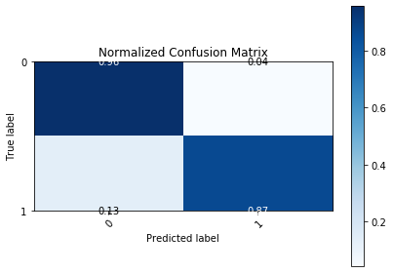
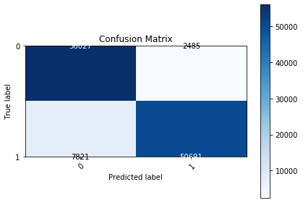
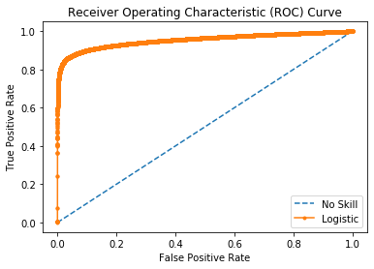
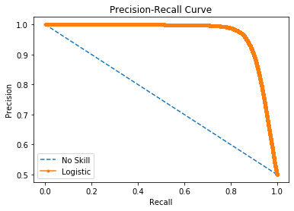

Logistic Area Under Curve | 0.95317733911 | Logistic Area Under Curve | 0.96666075094
No Skill Area Under Curve | 0.5 | Logistic F1 | 0.90772509133
Optimal Threshold | 0.58533685176 | No Skill Area Under Curve | 0.75
 |  | No Skill F1 | 0
 |  | Best Threshold (F1) | 0.55

